Raw Line Loss
Airflow, cfm | log10(airflow) | Loss, inWater/100 feet | log10(loss) | effective length of our system ~ 100 feet, by chance
20 | 1.3010299957 | 0.01 | -2
200 | 2.3010299957 | 0.8 | -0.096910013008
320 | 2.5051499783 | 2 | 0.30102999566
800 | 2.903089987 | 10 | 1

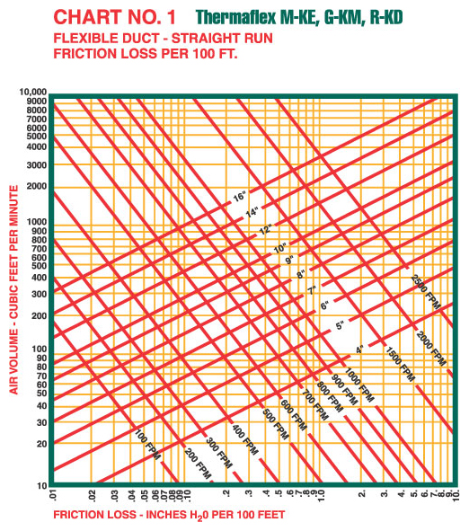

log10(p)= | 1.882 | log10(w) + | -4.4384

Raw Fan Flow
w, cfm | p, inWater | pfit | speed=100%
0 | 1.9 | 1.90 | temp=75 F |  | most likely |  | Our conditions ~ 75 F too
70 | 1.4 | 1.37
80 | 1.3 | 1.31
100 | 1.2 | 1.21
125 | 1.1 | 1.12
150 | 1.04 | 1.05
175 | 1 | 0.98
200 | 0.92 | 0.89
225 | 0.8 | 0.78
250 | 0.6 | 0.63
275 | 0.41 | 0.45
300 | 0.26 | 0.25
325 | 0.13 | 0.09
350 | 0 | 0.02

p= | 3.31E-12 | w^5 + | -2.50E-09 | w^4+ | 5.60E-07 | w^3 + | -2.38E-05 | w^2 + | -7.93E-03 | w + | 1.9028

Model
ECMF-150 with 50' 6" Duct & Filter
p(fan)= (N/100)^2 * ( | 3.3095E-12 | w^5 + | -2.5035E-09 | w^4+ | 5.5959E-07 | w^3 + | -0.000023805 | w^2 + | -0.0079313 | w + | 1.9028 | )
p(duct)=10^( | 1.882 | log10(w) + | -4.4384 | )
w(N)= | -0.005153 | N^2 + | 2.62164

N | w | p(fan) | p(duct) | dp | wmodel | dw/dN
0 | 0.0001 | 0 | 1.0804383724E-12 | -1.0804383724E-12 | 0 | 2.62164
5 | 12.914045665 | 0.0044938539023 | 0.0044938573467 | -3.4444191744E-09 | 12.979375 | 2.57011
10 | 26.092805727 | 0.016884634818 | 0.016884651818 | -1.6999473093E-08 | 25.7011 | 2.51858
15 | 38.836651069 | 0.035690539994 | 0.035690531626 | 8.3686088684E-09 | 38.165175 | 2.46705
20 | 51.077426387 | 0.059770568693 | 0.059770513966 | 5.472611668E-08 | 50.3716 | 2.41552
25 | 62.858823327 | 0.088333537286 | 0.08833346712 | 7.0165377966E-08 | 62.320375 | 2.36399
30 | 74.257938572 | 0.12087534593 | 0.12087545361 | -1.0767557944E-07 | 74.0115 | 2.31246
35 | 85.356445951 | 0.15710383177 | 0.15710382587 | 5.9033739286E-09 | 85.444975 | 2.26093
40 | 96.228288664 | 0.19686820327 | 0.19686830344 | -1.0017595006E-07 | 96.6208 | 2.2094
45 | 106.93223902 | 0.24009484956 | 0.24009465894 | 1.9062182874E-07 | 107.538975 | 2.15787
50 | 117.5077362 | 0.28672457299 | 0.28672468016 | -1.0717736476E-07 | 118.1995 | 2.10634
ECMF-150 with 50' 6" Duct & Filter
55 | 127.97027309 | 0.33665064983 | 0.33665054359 | 1.0624350616E-07 | 128.602375 | 2.05481
60 | 138.30949885 | 0.38965810084 | 0.38965789362 | 2.0721312327E-07 | 138.7476 | 2.00328
65 | 148.48867187 | 0.44537555373 | 0.44537602359 | -4.6985782498E-07 | 148.635175 | 1.95175
70 | 158.44804358 | 0.50325358741 | 0.50325385503 | -2.6762268557E-07 | 158.2651 | 1.90022
75 | 168.11376686 | 0.5625812947 | 0.56258140288 | -1.0818251717E-07 | 167.637375 | 1.84869
80 | 177.40867384 | 0.62254560013 | 0.62254488148 | 7.1864342943E-07 | 176.752 | 1.79716
85 | 186.26468368 | 0.68231491873 | 0.68231612848 | -1.2097468901E-06 | 185.608975 | 1.74563
90 | 194.6301291 | 0.7411277671 | 0.74112822482 | -4.577197974E-07 | 194.2083 | 1.6941
95 | 202.47586085 | 0.79835070587 | 0.79835208568 | -1.3798072132E-06 | 202.549975 | 1.64257
100 | 209.79272417 | 0.85351282724 | 0.85351188869 | 9.3855183647E-07 | 210.634 | 1.59104

Model (2)
Two Fans in Series Same Duty Cycle
p(fan)= (N/100)^2 * ( | 3.3095E-12 | w^5 + | -2.5035E-09 | w^4+ | 5.5959E-07 | w^3 + | -0.000023805 | w^2 + | -0.0079313 | w + | 1.9028 | )
p(duct)=10^( | 1.882 | log10(w) + | -4.4384 | )
w(N)= | -0.005153 | N^2 + | 2.62164

N | w | p(fan) | p(duct) | dp | wmodel | dw/dN
0 | 0.0001 | 0 | 1.0804383724E-12 | -1.0804383724E-12 | 0 | 2.62164
5 | 18.41118507 | 0.0087595890966 | 0.0087595912565 | -2.1599437152E-09 | 12.979375 | 2.57011
10 | 36.68613783 | 0.032062151407 | 0.032062158116 | -6.7096830869E-09 | 25.7011 | 2.51858
15 | 53.975623887 | 0.066312612251 | 0.066312593965 | 1.8286048065E-08 | 38.165175 | 2.46705
20 | 70.384278826 | 0.10928216505 | 0.10928214271 | 2.2339744818E-08 | 50.3716 | 2.41552
25 | 86.135794478 | 0.15981423052 | 0.15981430677 | -7.6253557385E-08 | 62.320375 | 2.36399
30 | 101.44075614 | 0.21741614163 | 0.21741619116 | -4.9530020418E-08 | 74.0115 | 2.31246
35 | 116.44999982 | 0.28188662485 | 0.28188666034 | -3.5495395179E-08 | 85.444975 | 2.26093
40 | 131.22830959 | 0.35296185595 | 0.35296189301 | -3.7064567693E-08 | 96.6208 | 2.2094
45 | 145.73802072 | 0.42997585168 | 0.42997592136 | -6.9678909809E-08 | 107.538975 | 2.15787
50 | 159.84160163 | 0.51161591615 | 0.51161615099 | -2.3484280842E-07 | 118.1995 | 2.10634
Two Fans in Series Same Duty Cycle
55 | 173.33545376 | 0.59591767153 | 0.59591743238 | 2.3914397096E-07 | 128.602375 | 2.05481
60 | 186.01065578 | 0.68056600509 | 0.68056589954 | 1.0555717767E-07 | 138.7476 | 2.00328
65 | 197.71137234 | 0.76336355257 | 0.76336380936 | -2.5678588966E-07 | 148.635175 | 1.95175
70 | 208.36423314 | 0.84260739015 | 0.84260728513 | 1.0502361247E-07 | 158.2651 | 1.90022
75 | 217.97364882 | 0.9172262184 | 0.91722591601 | 3.0239495064E-07 | 167.637375 | 1.84869
80 | 226.5980997 | 0.98671642434 | 0.98671626651 | 1.5783236684E-07 | 176.752 | 1.79716
85 | 234.32485899 | 1.0509888501 | 1.0509889786 | -1.2848529263E-07 | 185.608975 | 1.74563
90 | 241.25103212 | 1.1102144553 | 1.1102147599 | -3.0457561695E-07 | 194.2083 | 1.6941
95 | 247.47205099 | 1.1647057223 | 1.1647057746 | -5.2290726638E-08 | 202.549975 | 1.64257
100 | 253.0759298 | 1.214836812 | 1.2148372024 | -3.9042387434E-07 | 210.634 | 1.59104

